MetaMap settings
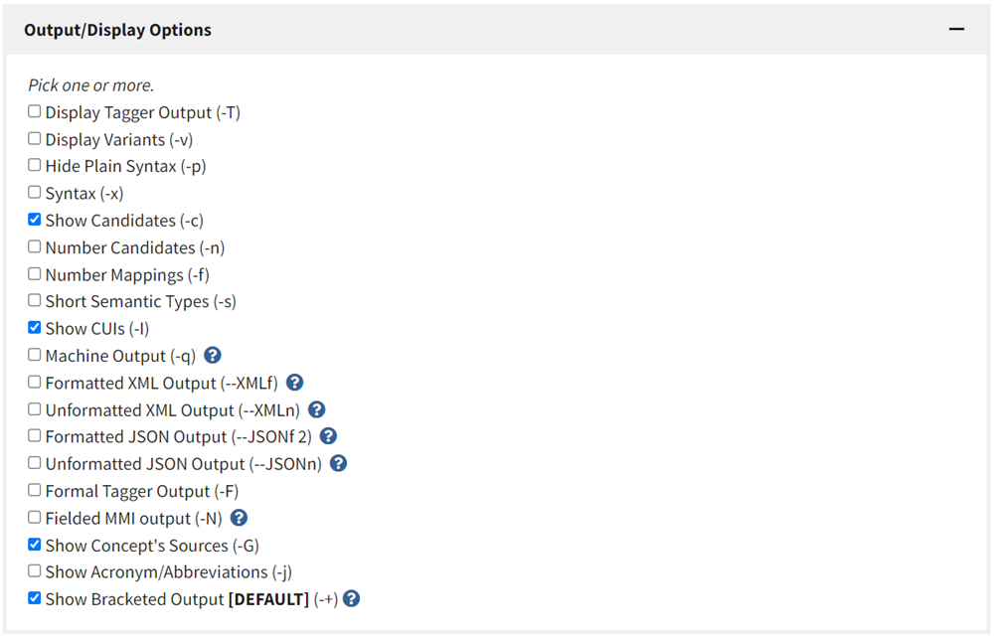
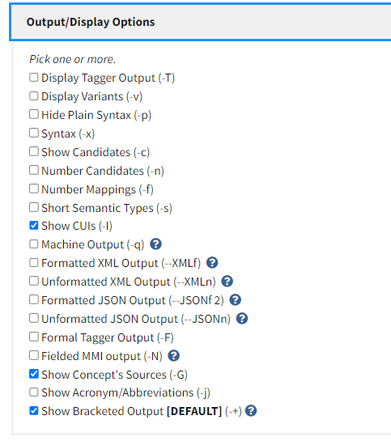
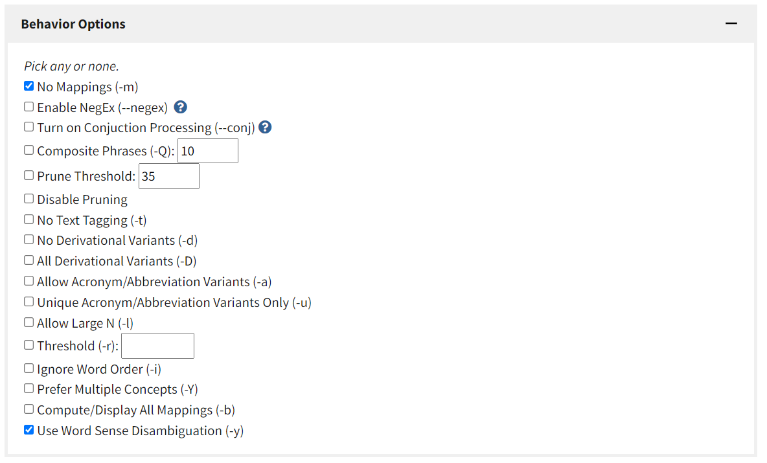
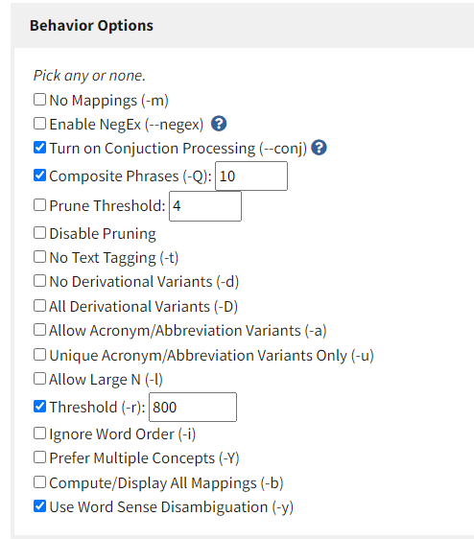
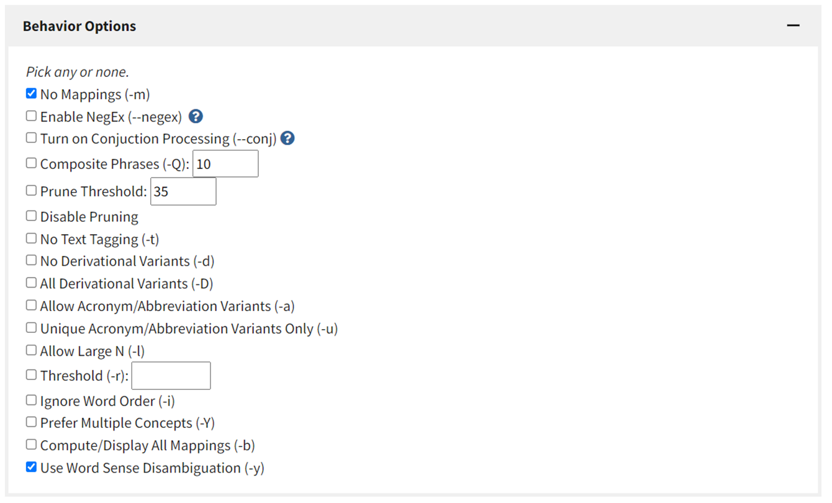
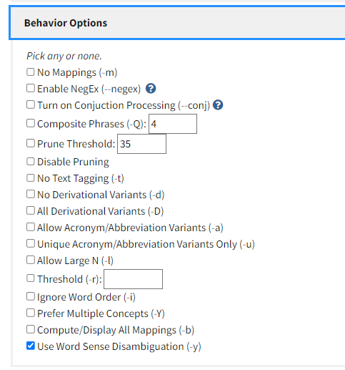
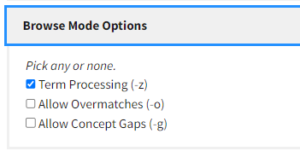
Option 1 Before April 2022 | Option 2 Starting April 2022 | Option 3 Starting July 2022 |  | Option 3 for restrincting the vocabularies to the latest MeSH only - MSH2022_2022_01_24 Starting July 2022 f | Option 4 for mapping multiple CDEs using 2 CDE attributes - CDE Name and QT (minus stop words) Starting August 2022 use this one
MetaMap settings used for mapping following domains | MetaMap settings used for mapping following domains These settings, do not affect much the way MetaMap process text, but allow run CDEs in batches through MetaMap | These settings, do not affect much the way MetaMap process text, but further improve the way we can run CDEs in batches through MetaMap More in https://lhncbc.nlm.nih.gov/ii/tools/MetaMap/Docs/ListOfTermsWithID.pdf |  | These settings, do not affect much the way MetaMap process text, but further improve the way we can run CDEs in batches through MetaMap More in https://lhncbc.nlm.nih.gov/ii/tools/MetaMap/Docs/ListOfTermsWithID.pdf | These settings, do not affect much the way MetaMap process text, but further improve the way we can run CDEs in batches through MetaMap More in https://lhncbc.nlm.nih.gov/ii/tools/MetaMap/Docs/ListOfTermsWithID.pdf
CDEs from domains: Demographics ; Medical History; Financial Stability & Employment; Symptoms; Eligibility, Enrollment & Informed Consent ; Comorbidities ; Healthcare Access; Risk Behaviors; COVID Testing & Tracing ; Physical Exams & Findings; Diagnosis & Disease Progression | CDEs from domains: Housing & Food Insecurity (no food CDEs BTW) Mitigation Strategies Language & Heritage COVID Qualitative Measures Clinical Events & Monitoring Outcomes | 2 CDEs from each domain (with various sets of attributes): Demographics Medical History Financial Stability & Employment Symptoms Eligibility, Enrollment & Informed Consent Comorbidities Healthcare Access Risk Behaviors COVID Testing & Tracing Physical Exams & Findings Diagnosis & Disease Progression Housing & Food Insecurity (no food CDEs BTW) Mitigation Strategies Language & Heritage COVID Qualitative Measures Clinical Events & Monitoring Outcomes Hospitalization Treatment |  | 2 CDEs from each domain (with various sets of attributes): Demographics Medical History Financial Stability & Employment Symptoms Eligibility, Enrollment & Informed Consent Comorbidities Healthcare Access Risk Behaviors COVID Testing & Tracing Physical Exams & Findings Diagnosis & Disease Progression Housing & Food Insecurity (no food CDEs BTW) Mitigation Strategies Language & Heritage COVID Qualitative Measures Clinical Events & Monitoring Outcomes Hospitalization Treatment

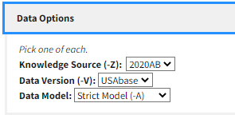
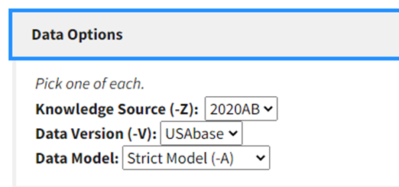
 |  | To run CDEs in batches, the input should be pre-processed: |  | 1. Change every cell delimiter to a semicolon or a period, | 1. Change every cell delimiter to a semicolon or a period,
 |  |  |  | 2. Make sure there are no spurious line breaks, e.g., | 2. Make sure there are no spurious line breaks, e.g.,
 |  | 1. Change every cell delimiter to a semicolon or a period, |  | Diagnosis & Disease Progression,"COVID-19 Disease Severity | Diagnosis & Disease Progression,"COVID-19 Disease Severity
 |  | 2. Make sure there are no spurious line breaks, e.g., |  | ### spurious line break here ### | ### spurious line break here ###
 |  | Diagnosis & Disease Progression,"COVID-19 Disease Severity |  | ",What is the COVID-19 severity at time of diagnosis?,COVID-19 Infection; Severity; ,COVID Diagnosis;COVID-19 Diagnosis;^M | ",What is the COVID-19 severity at time of diagnosis?,COVID-19 Infection; Severity; ,COVID Diagnosis;COVID-19 Diagnosis;^M
 |  | ### spurious line break here ### |  | 3. Remove all punctuation marks | 3. Remove all punctuation marks
 |  | ",What is the COVID-19 severity at time of diagnosis?,COVID-19 Infection; Severity; ,COVID Diagnosis;COVID-19 Diagnosis;^M |  | 4. Remove all stop words | 4. Remove all stop words
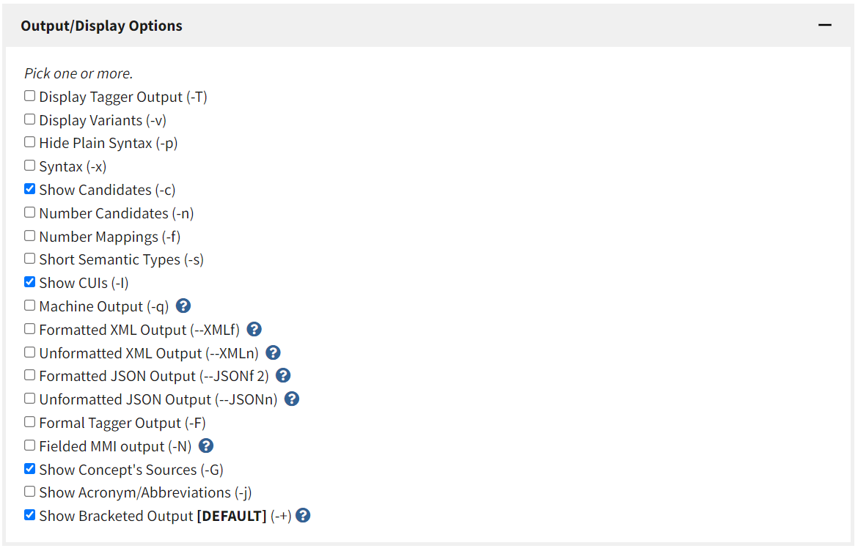
 |  | 3. Remove all punctuation marks |  | 5. Add an extra blank line between the text of each Excel row, | 5. Add an extra blank line between the text of each Excel row,
 |  | 4. Remove all stop words |  | 6. And run the result as a plain text file. | 6. And run the result as a plain text file.
 |  | 5. Add an extra blank line between the text of each Excel row,
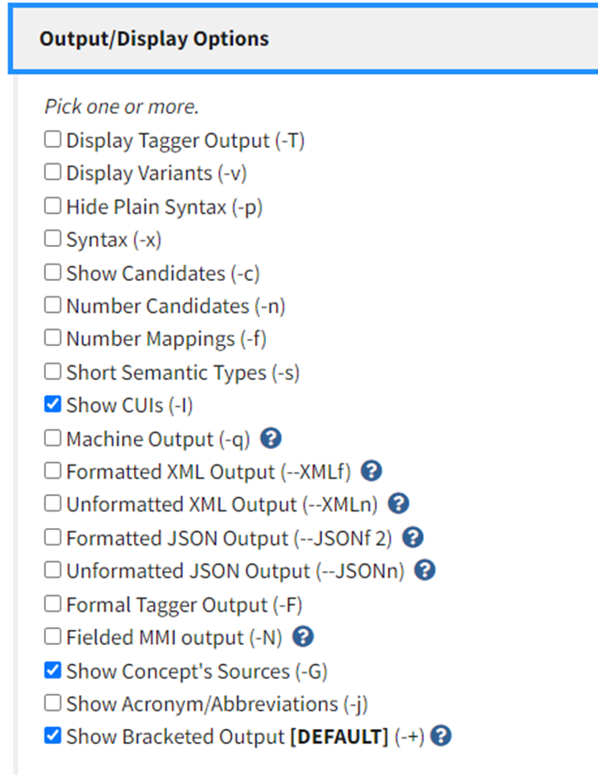
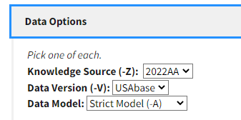
 |  | 6. And run the result as a plain text file.

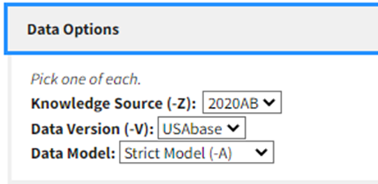

 |  |  | we can also try "relaxed model" if the mapping does not give any results

38 CDEs for Russell
## | CDE Attributes We Used Below are light peach columns we can give to Russell L |  |  |  |  |  | UMLS MetaMap Output Cells highlighted in blue contain concepts which are excluded from mapping after a review by a human being
 | Domain Name | CDE Name | Question Text / Item Text | Data Element Concept (DEC) and Identifier | Classifications/Tags/Keywords for the CDE | Total CDE attributes word count Do not give to RL | # of concepts given by MetaMap | # of concepts selected by a human being | Phrase: | Meta Mapping Overall Score (how it is calculated - https://lhncbc.nlm.nih.gov/ii/information/Papers/mm.evaluation.pdf): | MetaMap Score for Each Concept Chosen | UMLS Concept Name | UMLS Concept CUI | Vocabularies | UMLS SemNet Semantic Type
1 | Demographics | Full Name | Full Name | Person; Full; Name; Person Name | Person; Demographics; | 12 | 3 | 3 | demographics full name full name name demographics | Meta Mapping (581): | 581 | Demographics (Demography | C0011298 | AOD,CHV,CSP,LCH,LCH_NW,MSH,MTH,NCI,NCI_NICHD,NLMSubSyn | Occupation or Discipline
 |  |  |  |  |  |  |  |  |  |  | 581 | Full | C0443225 | CHV,LNC,NCI,SNOMEDCT_US | Qualitative Concept
 |  |  |  |  |  |  |  |  |  |  | 581 | Name (Person Name) | C1547383 | HL7V2.5,LNC,MTH,NCI,NCI_BRIDG_3_0_3,NCI_CDISC,NCI_CareLex,NCI_NIC, HD,NCI_caDSR,SNOMEDCT_US | Intellectual Product

2 | Demographics | Age* | What is the person's age? | Person; Age | Person; Demographics; | 11 | 3 | 3 | demographics age person age person age demographics | Meta Mapping (571): | 571 | Demographics (Demography | C0011298 | AOD,CHV,CSP,LCH,LCH_NW,MSH,MTH,NCI,NCI_NICHD,NLMSubSyn | Occupation or Discipline
 |  |  |  |  |  |  |  |  |  |  | 571 | AGE (Age) | C0001779 | AOD,CHV,FMA,LNC,MTH,NCI,NCI_BRIDG_3_0_3,NCI_BRIDG_5_3,NCI_CDISC,NCI_FDA,NCI_INC,NCI_NICHD,NCI_caDSR,SNMI,SNOMEDCT_US | Organism Attribute
 |  |  |  |  |  |  |  |  |  |  | 587 | Person (person) (Persons | C0027361 | CHV,HL7V3.0,LCH_NW,LNC,MSH,MTH,NCI,NCI_BRIDG_3_0_3,NCI_BRIDG_5_3,NCI_NICHD,NCI_caDSR,SNOMEDCT_US | Population Group

3 | Medical History | Current Pregnancy Indicator | Are you pregnant now? | Person; Current; Pregnancy | Person; Demographics; Pregnancy; | 15 | 4 | 3 | medical history current pregnancy pregnant pregnancy demographics pregnancy | Meta Mapping (578): | 604 | Medical History (Medical History Domain | C1704706 | MTH,NCI,NCI_CDISC,NLMSubSyn | Intellectual Product
 |  |  |  |  |  |  |  |  |  |  | 578 | CURRENT (Current (present time) | C0521116 | CHV,MTH,NCI,NCI_CDISC,NCI_caDSR,SNMI,SNOMEDCT_US | Temporal Concept
 |  |  |  |  |  |  |  |  |  |  | 578 | Pregnancy (Patient currently pregnant ) | C0549206 | CHV,HL7V2.5,HL7V3.0,LNC,MTH,NCI,NCI_CDISC,NLM, SubSyn,SNM,SNMI,SNOMEDCT_US,SNOMEDCT_VET | Finding
 |  |  |  |  |  |  |  |  |  |  | 578 | Demographics (Demography | C0011298 | AOD,CHV,CSP,LCH,LCH_NW,MSH,MTH,NCI,NCI_NICHD,NLMSubSyn | Occupation or Discipline

4 | Medical History | Current Pregnancy Due Date | If yes, Due Date | Person; Current; Pregnancy; Expected Date of Confinement | Person; Demographics; Pregnancy; | 20 | 5 | 4 | medical history current pregnancy due date due date current pregnancy expected date of confinement demographics pregnancy | Meta Mapping (586): | 586 | Medical History (Medical History Domain ) | C1704706 | MTH,NCI,NCI_CDISC,NLMSubSyn | Intellectual Product
 |  |  |  |  |  |  |  |  |  |  | 586 | Due Date (Expected Date of Confinement | C2825543 | CHV,LNC,MTH,NCI,NCI_CDISC,NCI_NICHD,NLMSubSyn,SNOMEDCT_US | Finding
 |  |  |  |  |  |  |  |  |  |  | 586 | history pregnancy (Pregnancy History ) | C0032967 | CHV,LNC,MSH,MTH,NLMSubSyn,SNOMEDCT_US | Finding
 |  |  |  |  |  |  |  |  |  |  | 586 | pregnancy date (date pregnancy | C0742974 | CHV,NLMSubSyn | Finding
 |  |  |  |  |  |  |  |  |  |  | 586 | Demographics (Demography | C0011298 | AOD,CHV,CSP,LCH,LCH_NW,MSH,MTH,NCI,NCI_NICHD,NLMSubSyn | Occupation or Discipline

5 | Financial Stability & Employment | Employment Status | We would like to know about what you do-are you working now, looking for work, retired, keeping house, a student, or what? | Person; Employment; Status; | Person; Employment; SDOH Employment | 35 | 7 | 7 | financial stability employment employment working looking for work retired housekeeping student employment employment | Meta Mapping (679): | 567 | Financial (Financial (qualifier) | C2350008 | LNC,MTH,NCI | Qualitative Concept
 |  |  |  |  |  |  |  |  |  |  | 567 | Stability (Stable status ) | C0205360 | CHV,HPO,LNC,MTH,NCI,NCI_CDISC,NCI_FDA,NCI_caDSR,SNMI,SNOME | Qualitative Concept
 |  |  |  |  |  |  |  |  |  |  | 567 | Employment | C0014003 | AOD,CHV,CSP,LNC,MSH,MTH,NCI,NCI_ACC-AHA | Qualitative Concept
 |  |  |  |  |  |  |  |  |  |  | 567 | Working (Work) | C0043227 | CHV,CSP,LCH,LCH_NW,LNC,MSH,MTH,NCI,NCI_caDSR,SNOMEDCT_US | Occupational Activity
 |  |  |  |  |  |  |  |  |  |  | 760 | Looking for Work (Seeking work) | C0557369 | ICF,ICF-CY,NCI,NCI_caDSR,SNOMEDCT_US | Finding
 |  |  |  |  |  |  |  |  |  |  | 567 | Retired (Retirement ) | C0035345 | AOD,CHV,CSP,HL7V2.5,LCH,LCH_NW,LNC,MSH,MTH,NCI,SNMI,SNOMEDCT_US | Finding
 |  |  |  |  |  |  |  |  |  |  | 567 | Housekeeping | C0020053 | MTH,NCI,MSHPOR, MSHSPA, MTH, MSH, LNC | Occupational Activity

6 | Financial Stability & Employment | Parent's Employment Status | We would like to know about what parent does - is parent working now, looking for work, retired, keeping house, a student, or what? | Parent; Employment; Status | Person; Pediatrics; Employment; SDOH employment | 39 | 9 | 9 | financial stability and employment parents employment we would like to know about parent does is parent working looking for work retired housekeeping student parent employment pediatrics employment employment | Meta Mapping (727): | 727 | Stability (Stable status | C0205360 | CHV,HPO,LNC,MTH,NCI,NCI_CDISC,NCI_FDA,NCI_caDSR,SNMI,SNOMEDCT_US | Qualitative Concept
 |  |  |  |  |  |  |  |  |  |  | 727 | Looking for Work (Seeking work | C0557369 | ICF,ICF-CY,NCI,NCI_caDSR,SNOMEDCT_US | Finding
 |  |  |  |  |  |  |  |  |  |  | 727 | Employment Status (Employment status | C0242271 | AOD,HL7V2.5,LNC,MSH,MTH,NCI,SNOMEDCT_US | Finding
 |  |  |  |  |  |  |  |  |  |  | 727 | parents working (Working parent | C0337612 | CHV,SNMI,SNOMEDCT_US | Family Group
 |  |  |  |  |  |  |  |  |  |  | 727 | Financial status (Financial circumstances | C0557159 | SNOMEDCT_US | Finding
 |  |  |  |  |  |  |  |  |  |  | 727 | Student Status | C1547637 | HL7V2.5 | Idea or Concept
 |  |  |  |  |  |  |  |  |  |  | 727 | Housekeeping | C0020053 | CHV,LNC,MSH,MTH,NCI | Occupational Activity
 |  |  |  |  |  |  |  |  |  |  | 727 | Pediatrics | C0030755 | AOD,CHV,CSP,HL7V2.5,LCH,LCH_NW,LNC,MEDLINEPLUS,MSH,MTH,NCI,NLMSubSyn,SNOMEDCT_US | Biomedical Occupation or Discipline
 |  |  |  |  |  |  |  |  |  |  | 727 | Retired (Retirement | C0035345 | AOD,CHV,CSP,HL7V2.5,LCH,LCH_NW,LNC,MSH,MTH,NCI,SNMI,SNOMEDCT_US | Finding

7 | Symptoms | COVID-19 Psychosocial Symptom Type | As a consequence of the COVID-19 pandemic, has the person been: | COVID-19 Infection; Psychosocial Effect; Symptom | COVID Specific; Impact; Psychosocial Symptoms; | 26 | 5 | 4 | symptoms covid 19 psychosocial symptom covid 19 pandemic has been covid 19 infection psychosocial effect symptom covid psychosocial symptoms | Meta Mapping (452): | 563 | Symptoms | C1457887 | MTH, MEDCIN,NCI, NCI_caDSR,NCI_CDISC , NCI_NCI-GLOSS,ICPC2ICD10ENG, LNC | Functional Concept
 |  |  |  |  |  |  |  |  |  |  | 580 | COVID-19 Infection (COVID-19 ) | C5203670 | CCSR_ICD10CM,ICD10CM,MEDLINEPLUS,MSH,MTH,NCI,NCI_CTRP, NLMSubSyn,SNOMEDCT_US | Disease or Syndrome
 |  |  |  |  |  |  |  |  |  |  | 563 | Psychosocial | C0542298 | CHV,MTH | Functional Concept
 |  |  |  |  |  |  |  |  |  |  | 563 | Pandemic (Pandemics | C1615608 | CSP,MSH,NCI,NCI_CDISC-GLOSS | Phenomenon or Process
 |  |  |  |  |  |  |  |  |  |  | 563 | Effect | C1280500 | CHV,MTH,NCI,NCI_caDSR,SNMI,SNOMEDCT_US | Qualitative Concept

8 | Symptoms | COVID-19 Mental Health Symptom Occurrence Indicator | For each item: | COVID-19 Infection; Mental Health; Symptom; Occurrence Indicator | COVID Specific; Impact; Mental Health Symptoms; | 23 | 4 | 4 | symptoms covid 19 mental health symptom occurrence covid 19 infection mental health symptom occurrence covid mental health symptoms | Meta Mapping (585): | 585 | COVID-19 Infection (COVID-19 | C5203670 | CCSR_ICD10CM,ICD10CM,MEDLINEPLUS,MSH,MTH,NCI,NCI_CTRP,NLMSubSyn,SNOMEDCT_US | Disease or Syndrome
 |  |  |  |  |  |  |  |  |  |  | 585 | Mental Health (mental health | C0025353 | AOD,CHV,CSP,LCH,LCH_NW,LNC,MEDLINEPLUS,MSH,MTH,NCI,NCI_NCI-GLOSS,NCI_caDSR,NLMSubSyn | Mental Process
 |  |  |  |  |  |  |  |  |  |  | 585 | symptoms (Symptoms aspect | C0683368 | MSH,MTH}) | Functional Concept
 |  |  |  |  |  |  |  |  |  |  | 585 | Occurrence | C2745955 | MTH,NCI,NCI_caDSR,SNOMEDCT_US | Temporal Concept

9 | Eligibility, Enrollment & Informed Consent | Informed Consent Signed Indicator | Was informed consent signed? | Informed Consent; Signature; Indicator | COVID Specific; Consent for General and Linkage Research; Informed Consent; | 27 | 5 | 4 | eligibility enrollment informed consent informed consent signed informed consent signed informed consent signature covid informed consent | Meta Mapping (565): | 565 | Eligibility (Eligibility Determination ) | C0013893 | HL7V3.0,MSH,MTH,NCI | Health Care Activity
 |  |  |  |  |  |  |  |  |  |  | 565 | Enrollment | C1516879 | MTH,NCI,NCI_CDISC-GLOSS,NCI_ICDC,NCI_caDSR | Health Care Activity
 |  |  |  |  |  |  |  |  |  |  | 565 | Informed | C1522154 | CHV,MTH,NCI | Qualitative Concept
 |  |  |  |  |  |  |  |  |  |  | 575 | consent signed | C0742766 | CHV | Finding
 |  |  |  |  |  |  |  |  |  |  | 565 | Signature | C1519316 | LNC,MTH,NCI,NCI_BRIDG_3_0_3,NCI_BRIDG_5_3,NCI_caDSR | Intellectual Product

10 | Eligibility, Enrollment & Informed Consent | Informed Consent Signed Date | When was informed consent signed? | Informed Consent; Signature; Date | COVID Specific; Consent for General and Linkage Research; Informed Consent; | 28 | 7 | 4 | eligibility enrollment informed consent informed consent signed date when informed consent signed informed consent signature covid consent for general and linkage research informed consent | Meta Mapping (735): | 735 | Informed Consent Date | C2985782 | NCI, NCI_caDSR, NCI_ICDC , NCI_BRIDG_5_3 , NCI_BRIDG_3_0_3 | Temporal Concept
 |  |  |  |  |  |  |  |  |  |  | 735 | Date signed | C3262251 | LNC,MTH | Temporal Concept
 |  |  |  |  |  |  |  |  |  |  | 735 | Informed Consent for Research | C5446093 | HL7V3.0 | Intellectual Product
 |  |  |  |  |  |  |  |  |  |  | 735 | Eligibility (Eligibility Determination | C0013893 | HL7V3.0,MSH,MTH,NCI | HealthCare Activity
 |  |  |  |  |  |  |  |  |  |  | 735 | linkage (genetic linkage | C0023745 | AOD,CHV,LCH,LCH_NW,MSH,MTH,NCI,NCI_NCI-GLOSS | Molecular Function
 |  |  |  |  |  |  |  |  |  |  | 735 | General (Generalized | C0205246 | CHV,HPO,LNC,MTH,NCI,NCI_caDSR,SNMI,SNOMEDCT_US | Spatial Concept
 |  |  |  |  |  |  |  |  |  |  | 735 | Enrollment | C1516879 | MTH,NCI,NCI_CDISC-GLOSS,NCI_ICDC,NCI_caDSR | Health Care Activity

11 | Comorbidities | Comorbidity or Underlying Condition Type | Significant underlying medical conditions at the time of COVID-19 testing or diagnosis. | Comorbid Condition; Or; Underlying; Condition; Type | Person; Diagnosis; Comorbidities; | 27 | 5 | 5 | comorbidities comorbidity or underlying condition underlying medical conditions at time of covid 19 testing comorbid condition comorbidities | Meta Mapping (634): | 565 | comorbidities (Comorbidity) | C0009488 | AOD,CHV,CSP,LCH_NW,MSH,MTH,NCI,NCI_ACC-AHA,NCI_GDC,NCI_N, CI-GLOSS | Finding
 |  |  |  |  |  |  |  |  |  |  | 731 | co-morbidity (Comorbidity ) | C0009488 | AOD,CHV,CSP,LCH_NW,MSH,MTH,NCI,NCI_ACC-AHA,NCI_GDC,NCI_N, CI-GLOSS, I-GLOSS | Finding
 |  |  |  |  |  |  |  |  |  |  | 565 | Underlying | C4722602 | LNC,NCI,NCI_caDSR | Finding
 |  |  |  |  |  |  |  |  |  |  | 574 | Medical Condition | C4745084 | NCI | Finding
 |  |  |  |  |  |  |  |  |  |  | 565 | TIME (Time | C0040223 | CHV,HL7V2.5,LCH,LCH_NW,LNC,MSH,MTH,NCI,NCI_NICHD,NCI_caDSR,SNOMEDCT_US | Temporal Concept
 |  |  |  |  |  |  |  |  |  |  | 586 | COVID-19 Testing | C5244026 | MEDLINEPLUS,MSH | Laboratory Procedure

12 | Comorbidities | Comorbidity or Underlying Condition Occurrence Indicator | For each item: | Comorbid Condition; Occurrence Indicator; | Person; Diagnosis; Comorbidities; | 17 | 4 | 4 | comorbidities comorbidity underlying condition occurrence comorbid condition occurrence comorbidities | Meta Mapping (739): | 739 | co-morbidity (Comorbidity | C0009488 | AOD,CHV,CSP,LCH_NW,MSH,MTH,NCI,NCI_ACC-AHA,NCI_GDC,NCI_NCI-GLOSS | Finding
 |  |  |  |  |  |  |  |  |  |  | 739 | comorbidities (Comorbidity | C0009488 | AOD,CHV,CSP,LCH_NW,MSH,MTH,NCI,NCI_ACC-AHA,NCI_GDC,NCI_NCI-GLOSS | Finding
 |  |  |  |  |  |  |  |  |  |  | 739 | occurrence (occurrence characteristics | C0243132 | MSH,MTH | Functional Concept
 |  |  |  |  |  |  |  |  |  |  | 739 | Condition (Logical Condition | C1705253 | MTH,NCI | Conceptual Entity
 |  |  |  |  |  |  |  |  |  |  | 739 | Underlying | C4722602 | LNC,NCI,NCI_caDSR} | Finding

13 | Risk Behavior | SARS-CoV-2 Risk Behavior Type | Behaviors at the time of COVID-19 testing or diagnosis? | SARS Coronavirus 2; Risk; Behavior; Type; | Person; Diagnosis; Behavior; SDOH Risk Behavior | 27 | 6 | 5 | risk behavior sars cov 2 risk behavior behaviors at time of covid 19 testing sars coronavirus 2 risk behavior risk behavior | Meta Mapping (652): | 571 | behavior risk (Risk Behavior | C0086931 | CHV,MSH,NLMSubSyn | Individual Behavior
 |  |  |  |  |  |  |  |  |  |  | 596 | SARS-CoV-2 (COVID-19) (2019 novel coronavirus) | C5203676 | LNC,MSH,MTH,NCI,NCI_CDISC,NCI_CTRP,NL, MSubSyn,SNOMEDCT_US | Virus
 |  |  |  |  |  |  |  |  |  |  | 730 | behaviors (Behaviors and observations relating to behavior | C0677505 | CHV,MTH,SNOMEDCT_US | Finding
 |  |  |  |  |  |  |  |  |  |  | 563 | TIME (Time) | C0040223 | CHV,HL7V2.5,LCH,LCH_NW,LNC,MSH,MTH,NCI,NCI_NICHD,NCI_caDSR,SNOMEDCT_US | Temporal Concept
 |  |  |  |  |  |  |  |  |  |  | 563 | Testing | C0039593 | CHV,CSP,LCH,LNC,MTH,NCI,NCI_caDSR,NLMSubSyn | Functional Concept
 |  |  |  |  |  |  |  |  |  |  | 563 | Coronavirus (Genus: Coronavirus ) | C0206419 | CHV,CSP,LCH,LCH_NW,LNC,MSH,MTH,NCI,SNM,SNMI,SNOMEDCT_US | Virus

14 | Risk Behaviors | SARS-CoV-2 Risk Behavior Occurrence Indicator | For each item: | SARS Coronavirus 2; Risk; Behavior; Occurrence Indicator | COVID Specific; Diagnosis; Behavior; SDOH Risk Behavior | 24 | 5 | 4 | risk behaviors sars cov 2 risk behavior occurrence sars coronavirus 2 risk behavior occurrence | Meta Mapping (596): | 596 | SARS-CoV-2 (2019 novel coronavirus) | C5203676 | LNC,MSH,MTH,NCI,NCI_CDISC,NCI_CTRP,NLMSubSyn,SNOMEDCT_US | Virus
 |  |  |  |  |  |  |  |  |  |  | 596 | Risk Behaviors (Risk Behavior | C0086931 | CHV,MSH,NLMSubSyn | Individual Behavior
 |  |  |  |  |  |  |  |  |  |  | 596 | Behaviour, NOS (Behavior | C0004927 | AOD,CHV,CSP,GO,LNC,MSH,MTH,NCI,NCI_ICDC,NCI_NICHD,SNM,SNMI,SNOMEDCT_US | Behavior
 |  |  |  |  |  |  |  |  |  |  | 596 | Coronavirus (Genus: Coronavirus) | C0206419 | CHV,CSP,LCH,LCH_NW,LNC,MSH,MTH,NCI,SNM,SNMI,SNOMEDCT_US | Virus
 |  |  |  |  |  |  |  |  |  |  | 596 | Occurrence | C2745955 | MTH,NCI,NCI_caDSR,SNOMEDCT_US} | Temporal Concept

15 | Healthcare Access | Category of Health Insurance | Category of Health Insurance? | Person; Healthcare Insurance; Category; | Person; Health Insurance; SDOH Health Insurance | 20 | 2 | 2 | health care access health insurance health insurance health care insurance health insurance | Meta Mapping (535): | 604 | Health Care Access (Health Services Accessibility | C0018748 | AOD,CHV,CSP,LCH_NW,MSH,MTH,NCI,NL, MSubSyn | Finding
 |  |  |  |  |  |  |  |  |  |  | 570 | Health Insurance | C0021682 | AOD,CHV,LCH,LCH_NW,LNC,MEDLINEPLUS,MSH,MTH,NCI | Idea or Concept

16 | Healthcare Access | Disparate Health Care Quality Due to Race or Ethnicity Indicator | Was there ever a time when you would have gotten better medical care if you had belonged to a different race or ethnic group? | Difference; Health Care Delivery; Quality; Due To; Race; Or; Ethnicity; Indicator | Person; Health Care; Healthcare | 51 | 9 | 8 | healthcare access disparate health care quality due race ethnicity there time when have gotten better medical care had belonged different race ethnic group difference health care delivery quality race ethnicity health care healthcare | Meta Mapping (564): | 564 | access health care (Health Services Accessibility) | C0018748 | AOD,CHV,CSP,LCH_NW,MSH,MTH,NCI,NLMSubSyn | Finding
 |  |  |  |  |  |  |  |  |  |  | 564 | quality care (Quality of Health Care) | C0034379 | CHV,CSP,MSH,MTH,NCI | Health Care Activity
 |  |  |  |  |  |  |  |  |  |  | 564 | Medical Care (Medical care) | C0496675 | AOD,CHV,LCH,LCH_NW,NCI,NCI_caDSR,SNOMEDCT_US | Health Care Activity
 |  |  |  |  |  |  |  |  |  |  | 564 | delivery time (Time of delivery) | C1301668 | CHV,NLMSubSyn,SNOMEDCT_US | Clinical Attribute
 |  |  |  |  |  |  |  |  |  |  | 564 | ETHNICITY (Ethnicity | C0015031 | CDCREC,CHV,LCH_NW,LNC,MSH,MTH,NCI,NCI_CDISC,NCI_CDISC-GLOSS,NCI_CTDC,NCI_GDC,NCI_NICHD,NCI_PCDC,NLMSubSyn,SNMI,SNOMEDCT_US | Population Group
 |  |  |  |  |  |  |  |  |  |  | 564 | Better | C0332272 | CHV,MTH,NCI,NCI_FDA,SNMI,SNOMEDCT_US} | Qualitative Concept
 |  |  |  |  |  |  |  |  |  |  | 564 | Group (Population Group) | C1257890 | CHV,LNC,MEDLINEPLUS,MSH,MTH,NCI,NCI_CDISC-GLOSS,NLMSubSyn,SNOMEDCT_US | Population Group
 |  |  |  |  |  |  |  |  |  |  | 564 | Different | C1705242 | MTH,NCI,NCI_caDSR} | Qualitative Concept
 |  |  |  |  |  |  |  |  |  |  | 564 | Race | C3853635 | MTH, MSH,SNOMEDCT_US ,NCI,NCI_caDSR, NCI_CDC, NCI_CDISC · NCI_FDA | Population Group
 |  |  |  |  |  |  |  |  |  |  | 564 | disparity health (health disparity) | C1171307 | CHV,CSP,MEDLINEPLUS,MTH,NCI | Finding

17 | COVID Testing & Tracing | SARS-CoV-2 Test Type | What test was performed? | SARS Coronavirus 2; Test; Type; | COVID Specific; Diagnosis; SARS Coronavirus 2 Test; | 23 | 4 | 3 | covid testing tracing sars cov 2 test test performed sars coronavirus 2 test covid sars coronavirus 2 test | Meta Mapping (564): | 564 | Testing | C0039593 | CHV,CSP,LCH,LNC,MTH,NCI,NCI_caDSR,NLMSubSyn | Functional Concept
 |  |  |  |  |  |  |  |  |  |  | 530 | Trace (trace amount ) | C0442822 | CHV,LNC,MTH,NLMSubSyn,SNOMEDCT_US | Quantitative Concept
 |  |  |  |  |  |  |  |  |  |  | 598 | SARS-CoV-2 (2019 novel coronavirus | C5203676 | LNC,MSH,MTH,NCI,NCI_CDISC,NCI_CTRP,NLMSubSyn,SNOMEDCT_US | Virus
 |  |  |  |  |  |  |  |  |  |  | 564 | PERFORMED (Performed ) | C0884358 | CHV,LNC,MTH,NCI,NCI_CDISC,NCI_caDSR,SNOMEDCT_US | Functional Concept

18 | COVID Testing & Tracing | Sample Collection Date | What date was the sample collected? | Specimen; Collection; Date | COVID; Monitoring; SARS Coronavirus 2 Test | 22 | 5 | 4 | covid testing tracing sample collection date date sample collected specimen collection date covid monitoring sars coronavirus 2 test | Meta Mapping (589): | 589 | SARS Coronavirus 2 Testing (COVID-19 Testing) | C5244026 | MEDLINEPLUS,MSH | Laboratory Procedure
 |  |  |  |  |  |  |  |  |  |  | 589 | sample collection date (Specimen collection date | C1302413 | NLMSubSyn,SNOMEDCT_US | Finding
 |  |  |  |  |  |  |  |  |  |  | 589 | Specimen collection date | C1302413 | NLMSubSyn,SNOMEDCT_US} | Finding
 |  |  |  |  |  |  |  |  |  |  | 589 | Monitoring (Preventive monitoring | C0150369 | AOD,CHV,MTH,NCI,NCI_CDISC-GLOSS,NCI_CTRP,NCI_NCI-GLOSS,NLMSubSyn,SNOMEDCT_US | Health Care Activity
 |  |  |  |  |  |  |  |  |  |  | 589 | Trace (trace amount | C0442822 | CHV,LNC,MTH,NLMSubSyn,SNOMEDCT_US | Quantitative Concept

19 | Physical Exams and Findings | Vital Signs Measurement Occurrence Indicator | For each item: | Vital Signs Measurement; Occurrence Indicator | Vital Signs Measurement; Occurrence; | 21 | 2 | 2 | physical exams and findings vital signs vital sign vital signs measurement vital signs | Meta Mapping (690): | 770 | Occurrence | C2745955 | MTH,NCI,NCI_caDSR,SNOMEDCT_US | Temporal Concept
 |  |  |  |  |  |  |  |  |  |  | 752 | Physical Exam findings (Physical findings:Finding:Point in time:^Patient:Nominal:Obs) | C0944980 | LNC,MTH,NLMSubSyn | Clinical Attribute
 |  |  |  |  |  |  |  |  |  |  | 597 | Vital Signs Measurement (Vital signs measurements ) | C2963216 | LNC,MTH,NCI,NCI_ACC-AHA,NCI_CDISC, ,NCI_CTRP,NCI_NICHD,NCI_PCDC | Health Care Activity

20 | Physical Exams & Findings | Supplemental Oxygen Occurrence Indicator | Was supplemental oxygen used? | Oxygen Therapy (C94624) Occurrence Indicator (C127786) | Person; Pediatrics; Vital Signs; | 21 | 3 | 3 | physical exams findings supplemental oxygen occurrence supplemental oxygen oxygen therapy occurrence oxygen therapy occurrence | Meta Mapping (588): | 590 | Suplemental oxygen therapy (Oxygen Therapy Care) | C0184633 | AOD,CCS,CHV,CSP,LCH,LCH_NW,LNC,MEDLINEPLUS,MSH,MTH,MTHICD9,NCI,NCI_CTRP,NCI_NCI-GLOSS,NLMSubSyn,SNMI,SNOMEDCT_US | Therapeutic or Preventive Procedure
 |  |  |  |  |  |  |  |  |  |  | 590 | Physical Exam Result | C2826729 | LNC,MTH,NLMSubSyn | Finding
 |  |  |  |  |  |  |  |  |  |  | 588 | occurrence | C2745955 | MTH, SNOMEDCT_US · NCI, NCI_caDSR, RCD, SCTSPA | Temporal Concept

21 | Diagnosis & Disease Progression | Self-Reported COVID-19 Diagnosis Occurrence Indicator | Have you been diagnosed with COVID? | Self-Report; COVID-19 Infection; Diagnosis; Occurrence Indicator | COVID; Diagnosis; COVID-19 Diagnosis; | 25 | 6 | 4 | diagnosis disease progression self reported covid 19 diagnosis have been diagnosed with covid self report covid 19 infection occurrence self report covid 19 infection diagnosis occurrence | Meta Mapping (575): | 569 | Disease Progression | C0242656 | MTH , MSH , SNOMEDCT_US , MDR , NCI , NCI_caDSR , NCI_GDC, NCI_PCDC | Pathologic Function
 |  |  |  |  |  |  |  |  |  |  | 568 | Self reported (Self-Report | C2700446 | AOD,MSH,MTH,NCI,NCI_CDISC,NCI_FDA,NCI_caDSR,SNOMEDCT_US | Research Activity
 |  |  |  |  |  |  |  |  |  |  | 562 | Reported (Report (document) | C0684224 | AOD,CHV,LNC,MSH,MTH,NCI,NCI_CDISC-GLOSS,NCI_caDSR,SNOMEDCT_US | Intellectual Product
 |  |  |  |  |  |  |  |  |  |  | 575 | COVID-19 Infection (COVID-19 | C5203670 | CCSR_ICD10CM,ICD10CM,MEDLINEPLUS,MSH,MTH,NCI,NCI_CTRP, | Disease or Syndrome
 |  |  |  |  |  |  |  |  |  |  | 562 | Diagnosed (Diagnosis | C0011900 | AOD,CCS,CHV,CSP,HL7V3.0,LCH,LCH_NW,LNC,MCM,MSH,MTH,NCI,NCI_CDI, NLMSubSyn,SNOMEDCT_US | Diagnostic Procedure
 |  |  |  |  |  |  |  |  |  |  | 562 | Occurrence | C2745955 | MTH,NCI,NCI_caDSR,SNOMEDCT_US, SC,NCI_CDISC-GLOSS,NCI_ICDC,NCI_NCI-GLOSS,NCI_NICHD,NCI_caDSR,SNOMEDCT_US | Temporal Concept

22 | Diagnosis & Disease Progression | COVID-19 Complication Onset Date | When was the onset of the complication? | COVID-19 Infection; Complication; Onset Date | COVID Specific; Treatment; Complications; | 24 | 6 | 5 | diagnosis disease progression covid 19 complication onset date when onset of complication covid 19 infection complication onset date covid treatment complications | Meta Mapping (582): | 582 | Date of infection onset | C3483764 | LNC} | Finding
 |  |  |  |  |  |  |  |  |  |  | 582 | Covid-19 treatment (COVID-19 drug treatment) | C5244048 | MSH | Therapeutic or Preventive Procedure
 |  |  |  |  |  |  |  |  |  |  | 582 | Disease/diagnosis | C0338067 | CHV,NLMSubSyn,PDQ,SNM,SNMI} | Disease or Syndrome
 |  |  |  |  |  |  |  |  |  |  | 582 | complications disease (complication of disease | C0544688 | AOD,CHV,SNM | Pathologic Function
 |  |  |  |  |  |  |  |  |  |  | 582 | Disease Progression | C0242656 | MTH , MSH , SNOMEDCT_US , MDR , NCI , NCI_caDSR , NCI_GDC, NCI_PCDC | Pathologic Function
 |  |  |  |  |  |  |  |  |  |  | 582 | Complication | C0009566 | CCS,CHV,CSP,LNC,MTH,MTHMST,NCI,NCI_NCI-GLOSS,NCI_NICHD,NCI_caDSR,SNM,SNMI,SNOMEDCT_US} | Pathologic Function

23 | Housing & Food Insecurity | Shared Living Space Occurrence Indicator | Are you a resident in a special setting where the risk of COVID-19 transmission may be high? (This may include shared housing such as long-term care, correctional and detention facilities and group homes.) | Shared Living Space; Occurrence Indicator; | COVID Specific; SDOH - Housing; Housing; SDOH Living Conditions | 56 | 10 | 9 | housing food insecurity shared living space a resident in a special setting where risk of covid 19 transmission may be high this may include shared housing such as long term ccorrectional and detention facilities and group homes shared living space shared living space occurrence | Meta Mapping (606): | 729 | Insecurity, Housing (Housing Instability ) | C5541424 | MSH,SNOMEDCT_US | Finding
 |  |  |  |  |  |  |  |  |  |  | 725 | Food | C0016452 | CHV,CSP,HL7V3.0,ICF,ICF-CY,LCH,LCH_NW,LNC,MSH,MTH,NCI,NCI_BRIDG_3_0_3,NCI_BRIDG_5_3,NCI_CRCH,NCI_FDA,NCI_caDSR,SNM,SNMI,SNOMEDCT_US} | Food
 |  |  |  |  |  |  |  |  |  |  | 567 | Shared Living Space | C5420314 | LCH_NW,NCI,NCI_caDSR} | Manufactured Object
 |  |  |  |  |  |  |  |  |  |  | 559 | Resident (Resident (person) | C2347958 | MTH,NCI | Population Group
 |  |  |  |  |  |  |  |  |  |  | 563 | Risk of (Risk | C0035647 | AOD,CHV,HL7V3.0,LCH,LCH_NW,LNC,MSH,MTH,NCI,NCI_caDSR,SNMI,SNOMEDCT_US | Idea or Concept
 |  |  |  |  |  |  |  |  |  |  | 563 | COVID 19 (COVID-19 ) | C5203670 | CCSR_ICD10CM,ICD10CM,MEDLINEPLUS,MSH,MTH,NCI,NCI_CTRP,NLMSubSyn,SNOMEDCT_US | Disease or Syndrome
 |  |  |  |  |  |  |  |  |  |  | 559 | Transmission (disease transmission ) | C0242781 | CHV,CSP,LCH_NW,LNC,MSH,MTH,NCI,NCI_NICHD,NLMSubSyn | Pathologic Function
 |  |  |  |  |  |  |  |  |  |  | 563 | term long (Long-term | C0443252 | CHV,MTH,NCI,SNOMEDCT_US | Temporal Concept
 |  |  |  |  |  |  |  |  |  |  | 563 | Group Homes | C0018257 | AOD,CHV,HL7V3.0,LCH_NW,MSH | Health Care Related Organization,Manufactured Object
 |  |  |  |  |  |  |  |  |  |  | 559 | Occurrence | C2745955 | MTH,NCI,NCI_caDSR,SNOMEDCT_US | Temporal Concept

24 | Housing & Food Insecurity | Shared Living Space Number of Individuals | Approximately how many individuals (adult and children) live in the household/place that you live? | Shared Living Space; Occupancy | COVID Specific; SDOH - Housing; Housing; SDOH Living Conditions | 38 | 7 | 5 | housing food insecurity shared living space number individuals how many individuals adult and children live in household place that you live shared living space occupancy covid housing living conditions | Meta Mapping (733): | 733 | Food Insecurity (USDA Six-Item Standard Measure | C5401384 | MTH,NCI,NCI_caDSR | Intellectual Product
 |  |  |  |  |  |  |  |  |  |  | 733 | Number in household | C0557510 | SNOMEDCT_US} | Finding
 |  |  |  |  |  |  |  |  |  |  | 733 | Shared Living Space | C5420314 | LCH_NW,NCI,NCI_caDSR} | Manufactured Object
 |  |  |  |  |  |  |  |  |  |  | 733 | children adult (Adult Children) | C0683572 | AOD,CHV,HL7V3.0,LCH_NW,MSH,NLMSubSyn | Family Group
 |  |  |  |  |  |  |  |  |  |  | 733 | How Many (Quantity) | C1265611 | CHV,LNC,MTH,NCI,NCI_BRIDG_3_0_3,NCI_BRIDG_5_3,NCI_caDSR,SNMI,SNOMEDCT_US | Quantitative Concept
 |  |  |  |  |  |  |  |  |  |  | 733 | Housing Conditions (Housing Quality) | C5544474 | MSH | Qualitative Concept
 |  |  |  |  |  |  |  |  |  |  | 733 | Place | C0442504 | AOD,CHV,HL7V3.0,MTH,NCI,NCI_BRIDG_3_0_3,NCI_BRIDG_5_3,NLMSubSyn,SNOMEDCT_US} | Spatial Concept

25 | Mitigation Strategies | SARS-CoV-2 Mitigation Strategy Type | Was the mitigation strategy employed/adopted? | SARS Coronavirus 2; Mitigation Strategy; Type; | COVID Specific; Diagnosis; Behavior; SDOH Risk Behavior | 24 | 5 | 4 | mitigation strategies sars cov 2 mitigation strategy mitigation strategy employed sars coronavirus 2 mitigation strategy covid risk behavior | Meta Mapping (584): | 555 | Mitigation Strategy | C5420376 | NCI | Health Care Activity
 |  |  |  |  |  |  |  |  |  |  | 581 | SARS-CoV-2 (2019 novel coronavirus ) | C5203676 | LNC,MSH,MTH,NCI,NCI_CDISC,NCI_CTRP,NLMSubSyn,SNOMEDCT_US | Virus
 |  |  |  |  |  |  |  |  |  |  | 563 | Employed | C0557351 | AOD,CHV,HL7V3.0,LNC,MTH,SNOMEDCT_US | Finding
 |  |  |  |  |  |  |  |  |  |  | 563 | Coronavirus (Genus: Coronavirus ) | C0206419 | CHV,CSP,LCH,LCH_NW,LNC,MSH,MTH,NCI,SNM,SNMI,SNOMEDCT_US | Virus
 |  |  |  |  |  |  |  |  |  |  | 572 | Risk Behavior | C0086931 | CHV,MSH,NLMSubSyn | Individual Behavior

26 | Mitigation Strategies | SARS-CoV-2 Mitigation Strategy Frequent Adherence Occurrence Indicator | For each item: | SARS Coronavirus 2; Mitigation Strategy; Adherence; Occurrence Indicator | COVID Specific; Diagnosis; Behavior; SDOH Risk Behavior | 27 | 7 | 6 | mitigation strategies sars cov 2 mitigation strategy frequent adherence occurrence sars coronavirus 2 mitigation strategy frequently adherence occurrence covid behavior risk behavior | Meta Mapping (578): | 578 | SARS-CoV-2 (2019 novel coronavirus | C5203676 | LNC,MSH,MTH,NCI,NCI_CDISC,NCI_CTRP,NLMSubSyn,SNOMEDCT_US | Virus
 |  |  |  |  |  |  |  |  |  |  | 578 | behavior risk (Risk Behavior) | C0086931 | CHV,MSH,NLMSubSyn | Individual Behavior
 |  |  |  |  |  |  |  |  |  |  | 578 | Adherence behaviour (Self-initiated health seeking behavior) | C0516638 | SNOMEDCT_US | Finding
 |  |  |  |  |  |  |  |  |  |  | 578 | Coronavirus (Genus: Coronavirus | C0206419 | CHV,CSP,LCH,LCH_NW,LNC,MSH,MTH,NCI,SNM,SNMI,SNOMEDCT_US | Virus
 |  |  |  |  |  |  |  |  |  |  | 578 | Frequent (Frequently | C0332183 | CHV,HPO,LNC,MTH,NCI,NCI_caDSR,SNMI,SNOMEDCT_US | Temporal Concept
 |  |  |  |  |  |  |  |  |  |  | 578 | Occurrence | C2745955 | MTH,NCI,NCI_caDSR,SNOMEDCT_US} | Temporal Concept
 |  |  |  |  |  |  |  |  |  |  | 578 | Mitigation Strategy | C5420376 | NCI} | Health Care Activity

27 | COVID Qualitative Measures | Quality of Life (QOL) Rating | In general, would you say your quality of life is: | Quality of Life; Rating; Scale | Person; Qualitative Measures; Person (diagram) | 28 | 4 | 4 | covid qualitative measures quality of life in general would say your quality of life is quality of life rating qualitative measures | Meta Mapping (563): | 556 | Quality of Life (Quality of life ) | C0034380 | CHV,MSH,MTH | Idea or Concept
 |  |  |  |  |  |  |  |  |  |  | 563 | Measures | C0079809 | CHV,MSH,MTH,SNOMEDCT_US | Quantitative Concept
 |  |  |  |  |  |  |  |  |  |  | 563 | General (Generalized) | C0205246 | CHV,HPO,LNC,MTH,NCI,NCI_caDSR,SNMI,SNOMEDCT_US | Spatial Concept
 |  |  |  |  |  |  |  |  |  |  | 563 | Rating (Rating (action) | C0871208 | MTH,NCI | Activity

28 | COVID Qualitative Measures | COVID-19 Vaccine Receptivity Status | If a vaccine for COVID-19 were available today, would you get vaccinated? | COVID-19 Vaccine; Receptivity; Status | Person, History & Exposures, COVID Vaccine | 29 | 7 | 7 | covid qualitative measures covid 19 vaccine receptivity if vaccine for covid 19 were available vaccinated covid 19 vaccine receptivity history exposures covid vaccine | Meta Mapping (576): | 576 | COVID-19 Vaccine (COVID-19 Vaccines ) | C5387588 | DRUGBANK,MEDLINEPLUS,MSH,MTH,NCI,NCI_caDSR,SNOMEDCT_US | Clinical Drug
 |  |  |  |  |  |  |  |  |  |  | 576 | Measures | C0079809 | CHV,MSH,MTH,SNOMEDCT_US} | Quantitative Concept
 |  |  |  |  |  |  |  |  |  |  | 576 | Qualitative | C0205556 | CHV,LCH,LNC,NCI,NCI_NICHD,SNMI,SNOMEDCT_US} | Qualitative Concept
 |  |  |  |  |  |  |  |  |  |  | 576 | Available (Availability of ) | C0470187 | AOD,CHV,NCI,NCI_caDSR,SNMI,SNOMEDCT_US | Functional Concept
 |  |  |  |  |  |  |  |  |  |  | 576 | vaccinated (Vaccinated at ) | C1116171 | CHV,LNC,MTH | Finding
 |  |  |  |  |  |  |  |  |  |  | 576 | Receptivity | C5552990 | MTH,NCI,NCI_caDSR} | Organism Attribute
 |  |  |  |  |  |  |  |  |  |  | 576 | exposure history | C2220266 | MTH,NLMSubSyn} | Finding

29 | Language & Heritage | Primary Language Spoken at home | What is the primary language spoken at home? | Person; At; Home; Primary Language Spoken; Code; | Person; Language & Ancestry; Language & Health Literacy | 31 | 3 | 3 | language heritage primary language spoken is primary language spoken primary language spoken language health literacy | Meta Mapping (588): | 588 | Heritage | C2986513 | NCI,NCI_NCI-GLOSS | Conceptual Entity
 |  |  |  |  |  |  |  |  |  |  | 588 | Primary Language Spoken | C4331028 | NCI,NCI_CDISC | Finding
 |  |  |  |  |  |  |  |  |  |  | 588 | Health Literacy | C2362527 | LCH_NW,MEDLINEPLUS,MSH,MTH,NCI,NCI_CDISC-GLOSS,SNOMEDCT_US | Mental Process

30 | Language & Heritage | Birthplace US State | Where were you born? | Person; State; Birthplace; Name | Person; Language & Ancestry; Person (diagram) | 20 | 8 | 7 | Language Heritage Birthplace US State Where born Person State Birthplace Language Ancestry | Meta Mapping (502): | 570 | Language (Languages | C0023008 | AOD,CHV,CSP,LCH,LNC,MSH,MTH,NCI,SNMI,SNOMEDCT_US | Language
 |  |  |  |  |  |  |  |  |  |  | 570 | Heritage | C2986513 | NCI,NCI_NCI-GLOSS | Conceptual Entity
 |  |  |  |  |  |  |  |  |  |  | 570 | Birthplace (Place of Birth | C0032040 | CHV,LNC,MSH,MTH,NCI,NCI_caDSR,SNOMEDCT_US | Finding
 |  |  |  |  |  |  |  |  |  |  | 586 | US State | C3148680 | MTH,NCI,NCI_NICHD | Geographic Area
 |  |  |  |  |  |  |  |  |  |  | 570 | Born (Childbirth | C1148523 | AOD,CHV,CSP,LCH,LNC,MEDLINEPLUS,MSH,MTH,NCI,NCI_ACC-AHA,NCI_GAIA,NCI_caDSR,SNMI,SNOMEDCT_US | Organism Function
 |  |  |  |  |  |  |  |  |  |  | 570 | Person (Person Observer | C2347489 | MTH,NCI,NCI_DICOM,NLMSubSyn | Group
 |  |  |  |  |  |  |  |  |  |  | 570 | Ancestry | C5447420 | NCI,NCI_caDSR | Organism Attribute

31 | Outcomes | Physician Orders for Life Sustaining Treatment (POLST) Indicator | Was there a POLST form? | Physician Orders for Life Sustaining Treatment; Indicator; | COVID; Outcomes; End of Life Instructions | 27 | 3 | 3 | outcomes physician orders for life sustaining treatment there polst physician orders for life sustaining treatment covid outcomes end of life instructions | Meta Mapping (532): | 530 | Outcome (Result ) | C1274040 | MTH,NCI,NCI_BRIDG_3_0_3,NCI_CDISC,NCI_CDISC-GLOSS,NCI_NCI-GLOSS,NCI_caDSR,SNOMEDCT_US | Functional Concept
 |  |  |  |  |  |  |  |  |  |  | 617 | Physician Orders for Life Sustaining Treatment (POLST) (Physician Orders for Life Sustaining Treatment ) | C5447535 | NCI,NCI_caDSR | Intellectual Product
 |  |  |  |  |  |  |  |  |  |  | 563 | End of life care planning | C4076454 | SNOMEDCT_US · NOC · SCTSPA | Health Care Activity
 |  |  |  |  |  |  |  |  |  |  | 563 | Instructions | C1442085 | CHV,LNC,MTH | Intellectual Product

32 | Outcomes | New or revised end of life instructions (DNR) during hospitalization Indicator | Was there a new or revised DRN during hospitalization? | Do Not Resuscitate Order; New; Update; During; Hospitalization; Indicator | COVID; Outcomes; End of Life Instructions | 35 | 6 | 6 | outcomes new revised end of life instructions Do not resuscitate during hospitalization Do not resuscitate during hospitalization do not resuscitate order update during hospitalization | Meta Mapping (756): | 756 | Do not resuscitate (DNR) order | C4700051 | LNC} | Intellectual Product
 |  |  |  |  |  |  |  |  |  |  | 756 | End-Of-Life (Cessation of life ) | C0011065 | AOD,CHV,CSP,CST,ICPC,LCH,LCH_NW,LNC,MSH,MTH,NCI,NCI_CDISC,NCI_CTCAE,NCI_FDA,NCI_GDC,NCI_NCI-GLOSS,NCI_NICHD,NCI_PCDC,NCI_caDSR,SNOMEDCT_US | Organism Function
 |  |  |  |  |  |  |  |  |  |  | 756 | hospitalisation (Hospitalization ) | C0019993 | AOD,CHV,CSP,LNC,MSH,MTH,NCI,NCI_FDA,NCI_caDSR,NLMSubSyn,SNOMEDCT_US | Health Care Activity
 |  |  |  |  |  |  |  |  |  |  | 756 | Instructions | C1442085 | CHV,LNC,MTH} | Intellectual Product
 |  |  |  |  |  |  |  |  |  |  | 756 | Update | C1519814 | LNC,MTH,NCI} | Qualitative Concept
 |  |  |  |  |  |  |  |  |  |  | 756 | Outcome (Result | C1274040 | MTH,NCI,NCI_BRIDG_3_0_3,NCI_CDISC,NCI_CDISC-GLOSS,NCI_NCI-GLOSS,NCI_caDSR,SNOMEDCT_US | Functional Concept

33 | Clinical Events & Monitoring | Death Date | What was the date of death? | Dead; Date | Person; Death; | 16 | 3 | 3 | clinical events monitoring death date date of death death date death | Meta Mapping (695): | 748 | Clinical Events (Clinical Events Domain | C2827664 | MTH,NCI,NCI_CDISC | Intellectual Product
 |  |  |  |  |  |  |  |  |  |  | 568 | Monitoring (Monitoring - action ) | C1283169 | LNC,MTH,SNOMEDCT_US | Activity
 |  |  |  |  |  |  |  |  |  |  | 605 | Date of Death (Date of death | C1148348 | LNC,MTH,NCI,NCI_BRIDG_3_0_3,NCI_BRIDG_5_3,SNOMEDCT_US | Temporal Concept

34 | Clinical Events & Monitoring | Metabolomics Quality Control Measures | Were the following quality control measures used in the study? | Metabolomics; Quality Control; Procedure; Type | COVID; Monitoring; Metabolomics | 26 | 5 | 5 | clinical events monitoring metabolomics quality control measures quality control measures used in study metabolomics quality control procedure covid monitoring metabolomics | Meta Mapping (736): | 736 | Clinical Events (Clinical Events Domain ) | C2827664 | MTH,NCI,NCI_CDISC | Intellectual Product
 |  |  |  |  |  |  |  |  |  |  | 736 | Quality monitoring (procedure) (Quality monitoring ) | C0178906 | CHV,SNOMEDCT_US | Health Care Activity
 |  |  |  |  |  |  |  |  |  |  | 736 | Study Control | C4553389 | MTH,NCI,NCI_CDISC,NCI_CDISC-GLOSS,NCI_CTRP} | Conceptual Entity
 |  |  |  |  |  |  |  |  |  |  | 736 | Measures | C0079809 | CHV,MSH,MTH,SNOMEDCT_US} | Quantitative Concept
 |  |  |  |  |  |  |  |  |  |  | 736 | Metabolomics | C1328813 | CSP,MSH,NCI,NCI_CTRP} | Biomedical Occupation or Discipline

35 | Hospitalization | Discharge Date | What was the discharge date? | Hospitalization; Patient Discharge; Date; | COVID Specific; Discharge Information; Hospitalization; | 17 | 3 | 3 | hospitalization discharge date discharge date hospitalization discharge date covid discharge information hospitalization | Meta Mapping (583): | 583 | Discharge date | C2361123 | LNC,MTH,NLMSubSyn,SNOMEDCT_US | Temporal Concept
 |  |  |  |  |  |  |  |  |  |  | 583 | Discharge Information | C2599746 | LNC,MTH,NLMSubSyn | Intellectual Product
 |  |  |  |  |  |  |  |  |  |  | 583 | hospitalisation (Hospitalization) | C0019993 | AOD,CHV,CSP,LNC,MSH,MTH,NCI,NCI_FDA,NCI_caDSR,NLMSubSyn,SNOMEDCT_US | Health Care Activity

36 | Hospitalization | Hospitalized at Time of Testing Occurrence Indicator | Was the patient Hospitalized at the time of testing? | Hospitalization; Testing; Occurrence Indicator | COVID Specific; Diagnosis; Hospitalization; | 25 | 5 | 5 | hospitalization hospitalized time of testing occurrence patient hospitalized time of testing hospitalization testing occurrence covid hospitalization | Meta Mapping (573): | 573 | hospitalized patient (hospitalized patients ) | C0870668 | CHV | Patient or Disabled Group
 |  |  |  |  |  |  |  |  |  |  | 573 | hospitalisation (Hospitalization) | C0019993 | AOD,CHV,CSP,LNC,MSH,MTH,NCI,NCI_FDA,NCI_caDSR,NLMSubSyn,SNOMEDCT_US | Health Care Activity
 |  |  |  |  |  |  |  |  |  |  | 573 | time test (Test time ) | C0429928 | CHV,MTH,NCI,SNOMEDCT_US | Temporal Concept
 |  |  |  |  |  |  |  |  |  |  | 573 | Test Occurrence | C2826260 | MTH,NCI,NCI_CDISC} | Health Care Activity
 |  |  |  |  |  |  |  |  |  |  | 587 | Medication Administered (Medication administered | C0806914 | CHV,LNC,MTH,NCI,NCI_PCDC,NLMSubSyn | Health Care Activity

37 | Treatment | COVID-19 Specific Medication Type | What medications did the patient take to treat COVID-19? | COVID-19 Infection; Specified; Medication; Type | COVID Specific; Medications; | 22 | 6 | 5 | treatment covid 19 medication take medications treat covid 19 covid 19 infection medication covid medications | Meta Mapping (583): | 583 | Covid-19 treatment (COVID-19 drug treatment) | C5244048 | MSH | Therapeutic or Preventive Procedure
 |  |  |  |  |  |  |  |  |  |  | 583 | Medication (Pharmaceutical Preparations | C0013227 | CHV,CSP,HL7V2.5,ICF,ICF-CY,LCH,LCH_NW,LNC,MEDLINEPLUS,MSH,MTH,NCI,NCI_ACC-AHA,NCI_CDISC-GLOSS,NCI_ICDC,NCI_NCI-GLOSS,NLMSubSyn,PDQ,SNM,SNMI,SNOMEDCT_US | Pharmacologic Substance
 |  |  |  |  |  |  |  |  |  |  | 583 | Patients | C0030705 | AOD,CHV,HL7V3.0,LCH,LCH_NW,LNC,MSH,MTH,NCI,NCI_CDISC-GLOSS,NCI_DICOM,NCI_FDA,NCI_caDSR,SNOMEDCT_US | Patient or Disabled Group
 |  |  |  |  |  |  |  |  |  |  | 583 | take medication (Taking medication (activity)) | C1290952 | CHV,MTH,NLMSubSyn,SNOMEDCT_US | Daily or Recreational Activity
 |  |  |  |  |  |  |  |  |  |  | 583 | treat (Treatment intent ) | C1292734 | CHV,HL7V3.0,MTH,NCI,NCI_CDISC-GLOSS,NCI_GDC,NLMSubSyn,SNOMEDCT_US | Functional Concept
 |  |  |  |  |  |  |  |  |  |  | 583 | COVID-19 Infection | C5203670 | CCSR_ICD10CM,ICD10CM,MEDLINEPLUS,MSH,MTH,NCI,NCI_CTRP,NLMSubSyn,SNOMEDCT_US} | Disease or Syndrome

38 | Treatment | Concomitant Medication Name | Other medications, taken than those taken to treat COVID- 19? | Concomitant; Medication; Administered | COVID Specific; Medications; | 21 | 4 | 4 | treatment concomitant medication other medications treat COVID- 19 concomitant medication concomitant medication administered covid medications | Meta Mapping (587): | 587 | medication other (Other medications | C1115771 | CHV,LNC,MTH,NCI,NLMSubSyn | Pharmacologic Substance
 |  |  |  |  |  |  |  |  |  |  | 587 | Concomitant (Simultaneous ) | C0521115 | CHV,MTH,NCI,NCI_NCI-GLOSS,NCI_caDSR,SNMI,SNOMEDCT_US | Temporal Concept
 |  |  |  |  |  |  |  |  |  |  | 587 | Medication Administered (Medication administered) | C0806914 | CHV,LNC,MTH,NCI,NCI_PCDC,NLMSubSyn | Health Care Activity
 |  |  |  |  |  |  |  |  |  |  | 583 | Covid-19 treatment (COVID-19 drug treatment) | C5244048 | MSH | Therapeutic or Preventive Procedure

 |  |  |  |  | sum |  | 195 | 173
38 |  |  |  |  | average # of concepts per CDE |  | 5.1315789474 | 4.5526315789

Number of UMLS concepts as a function of count of words in CDE attributes
12 | 3
11 | 3
15 | 4
20 | 5
35 | 7
39 | 9
26 | 5
23 | 4
27 | 5
...

38 CDE mapping plots
CDE Name mapping |  | CDE Name + QT mapping |  | CDE 5 attributes mapping
# UMLS Concepts returned by MetaMap | # CDEs | # UMLS Concepts returned by MetaMap | # CDEs | # UMLS Concepts returned by MetaMap | # CDEs | # CDEs | 1 | 2 | 3 | 4 | 5 | 6 | 7 | 8 | 9 | 10
1 | 10 | 1 | 5 | 2 | 2 | # UMLS concepts CDE Name | 10 | 15 | 9 | 2 | 2 |  |  |  |  |  | average # of concepts per CDE | 2.24
2 | 15 | 2 | 7 | 3 | 7 | # UMLS concepts CDE Name + QT | 5 | 7 | 11 | 3 | 6 | 3 | 1 | 1 |  | 1 | average # of concepts per CDE | 3.61
3 | 9 | 3 | 11 | 4 | 6 | # UMLS concepts 5 CDE attributes |  | 2 | 7 | 6 | 9 | 5 | 5 | 1 | 2 | 1 | average # of concepts per CDE | 5.13
4 | 2 | 4 | 3 | 5 | 9
5 | 2 | 5 | 6 | 6 | 5
Count of CDEs vs. count of UMLS concepts
 | # UMLS concepts CDE Name | # UMLS concepts CDE Name + QT | # UMLS concepts 5 CDE attributes
1 | 10 | 5
2 | 15 | 7 | 2
3 | 9 | 11 | 7
4 | 2 | 3 | 6
5 | 2 | 6 | 9
6 |  | 3 | 5
7 |  | 1 | 5
8 |  | 1 | 1
9 |  |  | 2
10 |  | 1 | 1
 |  | 6 | 3 | 7 | 5
 |  | 7 | 1 | 8 | 1
 |  | 8 | 1 | 9 | 2
Mapping CDE Name only Count of CDEs vs count of of UMLS concepts returned by MetaMap
 |  | 10 | 1 | 10 | 1
 |  |  | 38 |  | 38
Mapping CDE Name + QT Count of CDEs vs count of UMLS concepts returned by MetaMap
CDE 5 attributes mapping Count of CDEs vs count of UMLS concepts returned by MetaMap

Mapping CDE Name + QT Count of CDEs vs count of UMLS concepts returned by MetaMap
CDE 5 attributes mapping Count of CDEs vs count of UMLS concepts returned by MetaMap

Mapping CDE Name only Count of CDEs vs count of of UMLS concepts returned by MetaMap
 | # UMLS concepts CDE Name | # UMLS concepts CDE Name + QT | # UMLS concepts 5 CDE attributes
1 | 10 | 5
2 | 15 | 7 | 2
3 | 9 | 11 | 7
4 | 2 | 3 | 6
5 | 2 | 6 | 9
6 |  | 3 | 5
7 |  | 1 | 5
8 |  | 1 | 1
9 |  |  | 2
10 |  | 1 | 1

